Boxing Chart
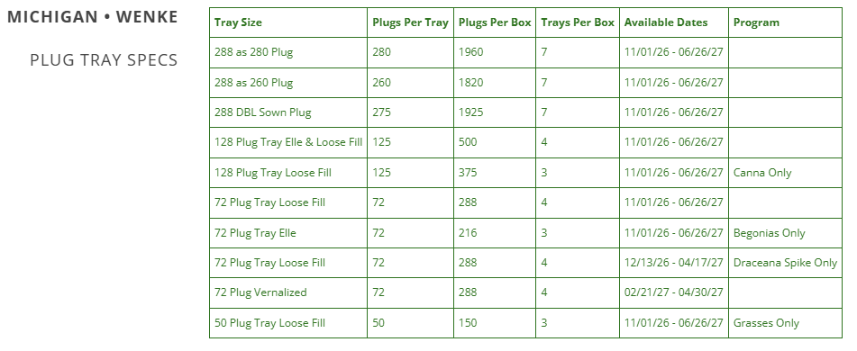
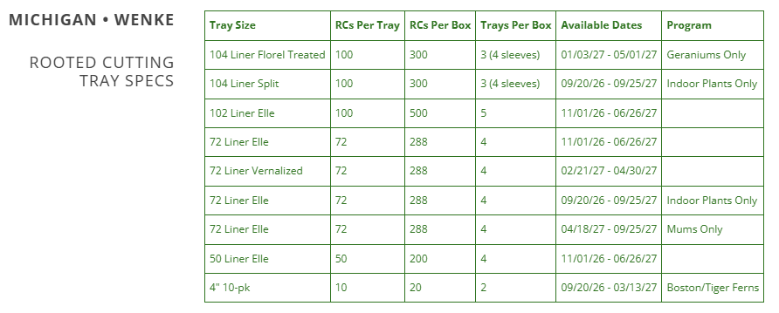
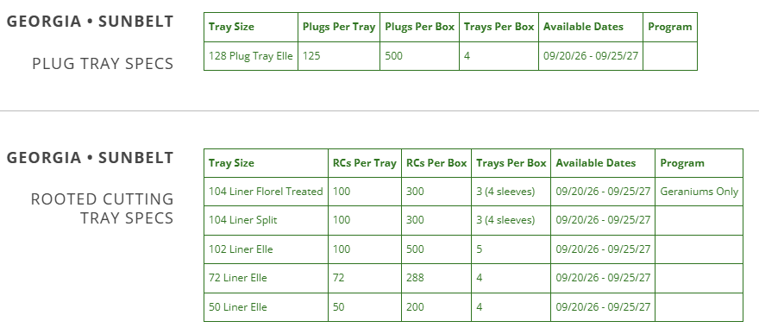
WenkeSunbelt 2026-2027 Boxing Chart

Standard FedEx Box
Dimensions: 18.25 x 11.5 x 21
Weight: Use average of 32 lbs. for quoting
Winter Pack FedEx Box
Dimensions: 20 x 13.5 x 23
Weight: Use average of 35 lbs. for quoting

